Indices

 | Iraq Stock Exchange
 | Bulletin No (191)

 | ISX Trading Indices of Sunday 26/10/2025

 | Traded Volume and OTC |  | 675,152,127 |  | Traded Value and OTC |  | 1,317,946,801 |  | Traders | 694

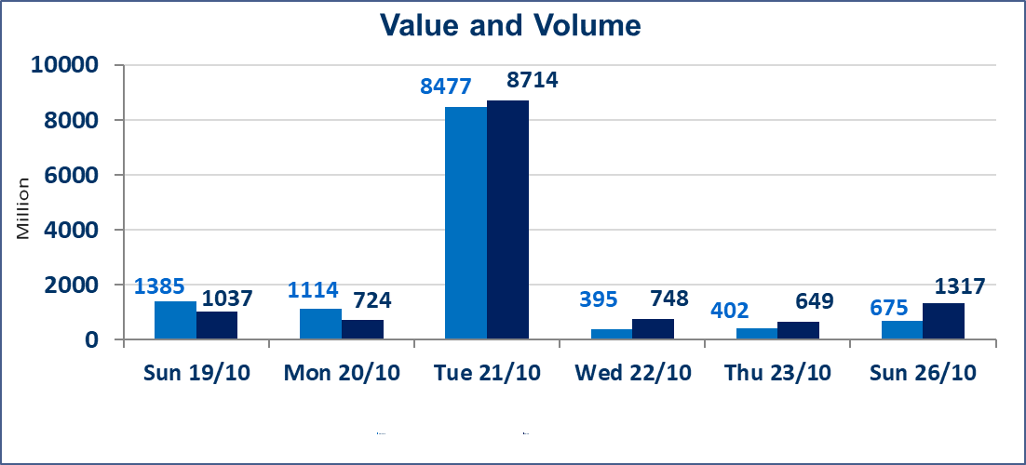
 | ISX Index 60 |  |  | 913.63 | ISX Index 15 |  |  | 1111.10
 | Previous ISX Index60 |  |  | 917.31 | Previous ISX Index15 |  |  | 1111.02
 | Change % |  |  | -0.40 | Change % |  |  | 0.01
 | Change |  |  | -3.68 | Change |  |  | 0.08

 | Listed Companies | 104 | OTC | 11 | Non Traded listed | 44 | OTC | 9
 | Traded Listed Companies | 46 | OTC | 1 | Higher Companies |  |  | 11
 | GAM Companies |  |  | 4 | Lower Companies |  |  | 14
 | Suspended Companies |  |  | 10
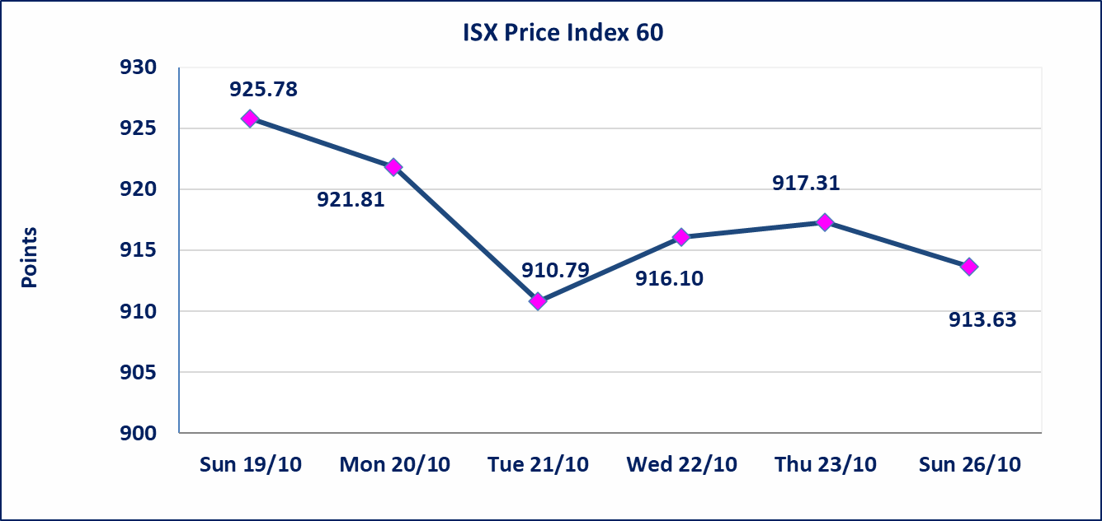
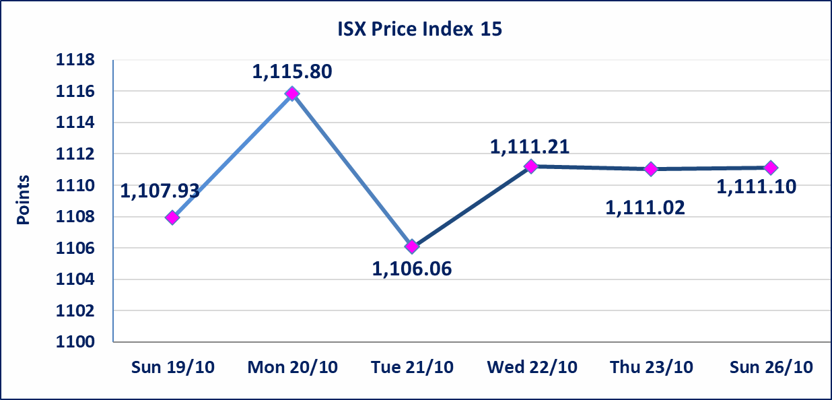

Al-Alwiya P.O . 3607 Mobile: 07711211522 - 07270094594 - 07834000034 E-mail: info-isx@isx-iq.net Web site:www.isx-iq.net

Top 5
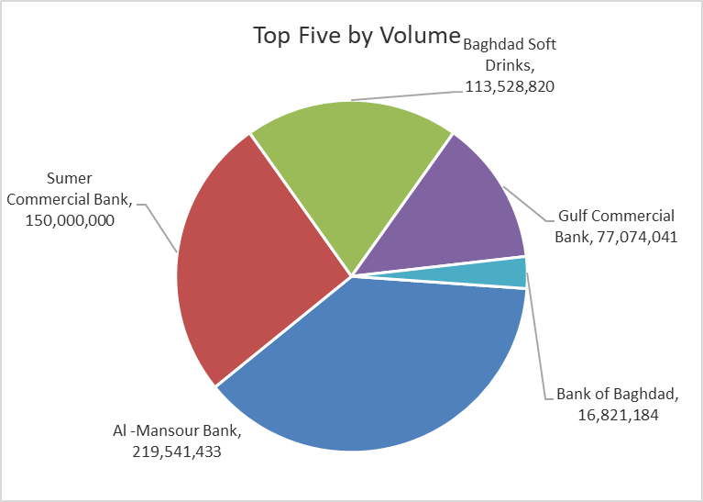
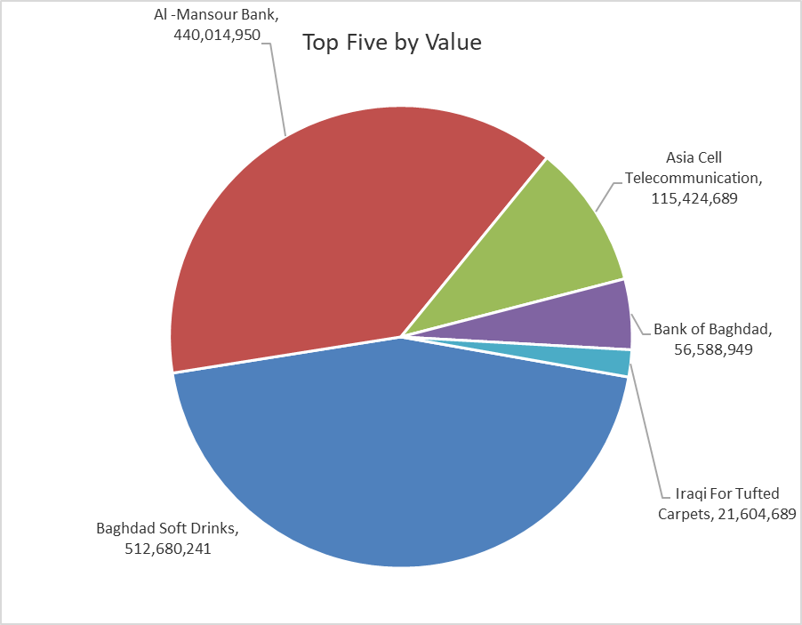
ISX top ganing and losing companies
Sunday 26/10/2025
Gainers |  |  |  | Losers
Company Name | Closing Price | Change (%) | Traded Volume | Company Name | Closing Price | Change (%) | Traded Volume
Middle East Bank | 0.070 | 16.67 | 4,065,344 | AL-Anssari Islamic Bank | 0.700 | -17.65 | 500,000
Modern Construction Materials | 0.630 | 5.00 | 100,000 | Palestine Hotel | 27.550 | -5.00 | 100,167
General Transportation | 1.760 | 4.76 | 1,251,000 | Economy Bank | 0.220 | -4.35 | 5,000,000
Electronic Industry | 1.400 | 4.48 | 4,641,262 | Ashour Hotel | 28.000 | -3.45 | 25,000
Ashur International Bank | 0.240 | 4.35 | 4,350,000 | Al-Khatam Telecom | 2.420 | -2.42 | 23,640

The most active companies in term of traded volume and value

Traded Volume |  |  |  | Traded Value
Company Name | Closing Price | Change (%) | Traded Volume | Company Name | Closing Price | Change (%) | Traded Value
Al -Mansour Bank | 2.010 | -0.50 | 219,541,433 | Baghdad Soft Drinks | 4.520 | 0.44 | 512,680,241
Sumer Commercial Bank | 0.090 | 0.00 | 150,000,000 | Al -Mansour Bank | 2.010 | -0.50 | 440,014,950
Baghdad Soft Drinks | 4.520 | 0.44 | 113,528,820 | Asia Cell Telecommunication | 11.900 | 0.42 | 115,424,689
Gulf Commercial Bank | 0.280 | 0.00 | 77,074,041 | Bank of Baghdad | 3.360 | -1.18 | 56,588,949
Bank of Baghdad | 3.360 | -1.18 | 16,821,184 | Iraqi For Tufted Carpets | 16.530 | 0.18 | 21,604,689

Non Iraqis

 | Iraq Stock Exchange
 | Non Iraqis' Bulletin Sunday Oct 26 2025
 | Regular Market

 | Non Iraqi Trading of Regular Market (Buy)
 | Company Names | Code | No.of trades | Traded Shares | Trading Volume
 | Banks Sector
 | Iraqi Islamic Bank | BIIB | 2 | 3,604,646 | 3,604,646
 | Al-Mansour Bank | BMNS | 4 | 50,248,508 | 100,497,016
 | Total Bank sector |  | 6 | 53,853,154 | 104,101,662
 | Grand Total |  | 6 | 53853154 | 104101662

 | Non Iraqi Trading of Regular Market (Sell)
 | Company Names | Code | No.of trades | Traded Shares | Trading Volume
 | Banks Sector
 | Commercial Bank of Iraq | BCOI | 13 | 11,500,000 | 7,860,000
 | Al-Mansour Bank | BMNS | 6 | 6,000,000 | 12,120,000
 | Total Bank sector |  | 19 | 17,500,000 | 19,980,000
 | Grand Total |  | 19 | 17,500,000 | 19,980,000

 | Non Iraqi Trading of Second Market (BUY)
 | Company Names | Code | No. of trades | Traded Volume | Traded Value
Banks Sector
 | Credit Bank Of Iraq | BROI | 1 | 500,000 | 340,000
 | Total Bank sector |  | 1 | 500,000 | 340,000
 | Grand Total |  | 1 | 500,000 | 340,000

